DESIGN
" PACKING LIST "

Order # | Style # | Item Description | COLOR | S | M | L | XL | 2XL | 3XL | 4XL | Total Pcs | Dimension | CBM | Net Weight | Gross Weight | Cartons
4430 | ISH | Men`s Fleece Hoodie 260 GSM 3 FLEECE | BLACK | 532 |  |  |  |  |  |  | 532 | 21X14.5X17 INCH | 1.880 | 10.53 | 11.96 | 22.166666667
4430 | ISH | Men`s Fleece Hoodie 260 GSM 3 FLEECE | BLACK |  | 1064 |  |  |  |  |  | 1064 | 21X14.5X17 INCH | 3.761 | 11.39 | 12.84 | 44.333333333
4430 | ISH | Men`s Fleece Hoodie 260 GSM 3 FLEECE | BLACK |  |  | 1064 |  |  |  |  | 1064 | 21X14.5X17 INCH | 3.761 | 12.42 | 13.87 | 44.333333333
4430 | ISH | Men`s Fleece Hoodie 260 GSM 3 FLEECE | BLACK |  |  |  | 1064 |  |  |  | 1064 | 25X15X17 INCH | 3.761 | 12.90 | 14.39 | 44.333333333
4430 | ISH | Men`s Fleece Hoodie 260 GSM 3 FLEECE | BLACK |  |  |  |  | 532 |  |  | 532 | 25X15X17 INCH | 1.880 | 13.98 | 15.47 | 22.166666667

4430 | ISH | Men`s Fleece Hoodie 260 GSM 3 FLEECE | CHARCOAL | 532 |  |  |  |  |  |  | 532 | 21X14.5X17 INCH | 1.880 | 10.53 | 11.96 | 22.166666667
4430 | ISH | Men`s Fleece Hoodie 260 GSM 3 FLEECE | CHARCOAL |  | 1064 |  |  |  |  |  | 1064 | 21X14.5X17 INCH | 3.761 | 11.39 | 12.84 | 44.333333333
4430 | ISH | Men`s Fleece Hoodie 260 GSM 3 FLEECE | CHARCOAL |  |  | 1064 |  |  |  |  | 1064 | 21X14.5X17 INCH | 3.761 | 12.42 | 13.87 | 44.333333333
4430 | ISH | Men`s Fleece Hoodie 260 GSM 3 FLEECE | CHARCOAL |  |  |  | 1064 |  |  |  | 1064 | 25X15X17 INCH | 3.761 | 12.90 | 14.39 | 44.333333333
4430 | ISH | Men`s Fleece Hoodie 260 GSM 3 FLEECE | CHARCOAL |  |  |  |  | 532 |  |  | 532 | 25X15X17 INCH | 1.880 | 13.98 | 15.47 | 22.166666667

4430 | ISH | Men`s Fleece Hoodie 260 GSM 3 FLEECE | NAVY | 532 |  |  |  |  |  |  | 532 | 21X14.5X17 INCH | 1.880 | 10.53 | 11.96 | 22.166666667
4430 | ISH | Men`s Fleece Hoodie 260 GSM 3 FLEECE | NAVY |  | 1064 |  |  |  |  |  | 1064 | 21X14.5X17 INCH | 3.761 | 11.39 | 12.84 | 44.333333333
4430 | ISH | Men`s Fleece Hoodie 260 GSM 3 FLEECE | NAVY |  |  | 1064 |  |  |  |  | 1064 | 21X14.5X17 INCH | 3.761 | 12.42 | 13.87 | 44.333333333
4430 | ISH | Men`s Fleece Hoodie 260 GSM 3 FLEECE | NAVY |  |  |  | 1064 |  |  |  | 1064 | 25X15X17 INCH | 3.761 | 12.90 | 14.39 | 44.333333333
4430 | ISH | Men`s Fleece Hoodie 260 GSM 3 FLEECE | NAVY |  |  |  |  | 532 |  |  | 532 | 25X15X17 INCH | 1.880 | 13.98 | 15.47 | 22.166666667

4430 | ISH | Men`s Fleece Hoodie 260 GSM 3 FLEECE | H GREY | 532 |  |  |  |  |  |  | 532 | 21X14.5X17 INCH | 1.880 | 10.53 | 11.96 | 22.166666667
4430 | ISH | Men`s Fleece Hoodie 260 GSM 3 FLEECE | H GREY |  | 1064 |  |  |  |  |  | 1064 | 21X14.5X17 INCH | 3.761 | 11.39 | 12.84 | 44.333333333
4430 | ISH | Men`s Fleece Hoodie 260 GSM 3 FLEECE | H GREY |  |  | 1064 |  |  |  |  | 1064 | 21X14.5X17 INCH | 3.761 | 12.42 | 13.87 | 44.333333333
4430 | ISH | Men`s Fleece Hoodie 260 GSM 3 FLEECE | H GREY |  |  |  | 1064 |  |  |  | 1064 | 25X15X17 INCH | 3.761 | 12.90 | 14.39 | 44.333333333
4430 | ISH | Men`s Fleece Hoodie 260 GSM 3 FLEECE | H GREY |  |  |  |  | 532 |  |  | 532 | 25X15X17 INCH | 1.880 | 13.98 | 15.47 | 22.166666667

TOTAL |  |  |  | 2128 | 4256 | 4256 | 4256 | 2128 |  | 0 | 17,024 |  | 60.171 | 245 | 274 | 709
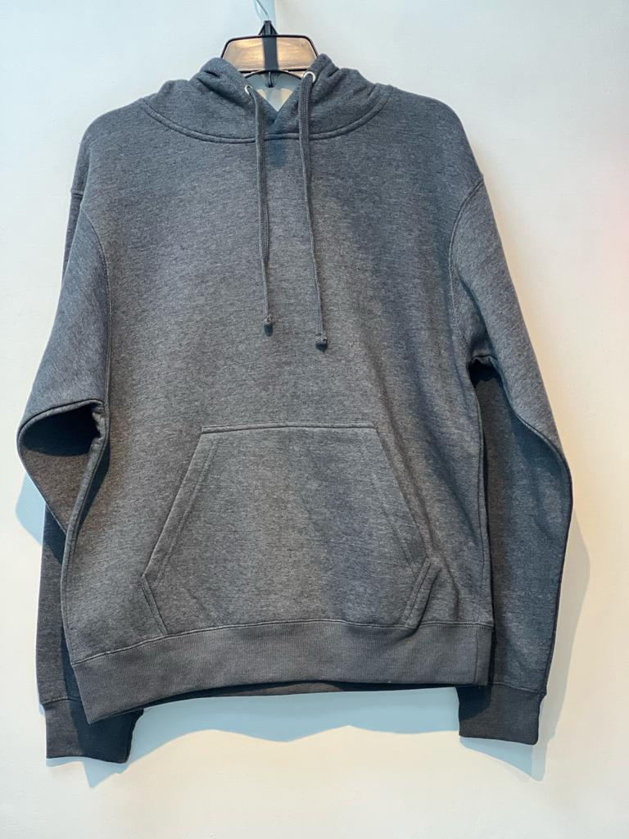
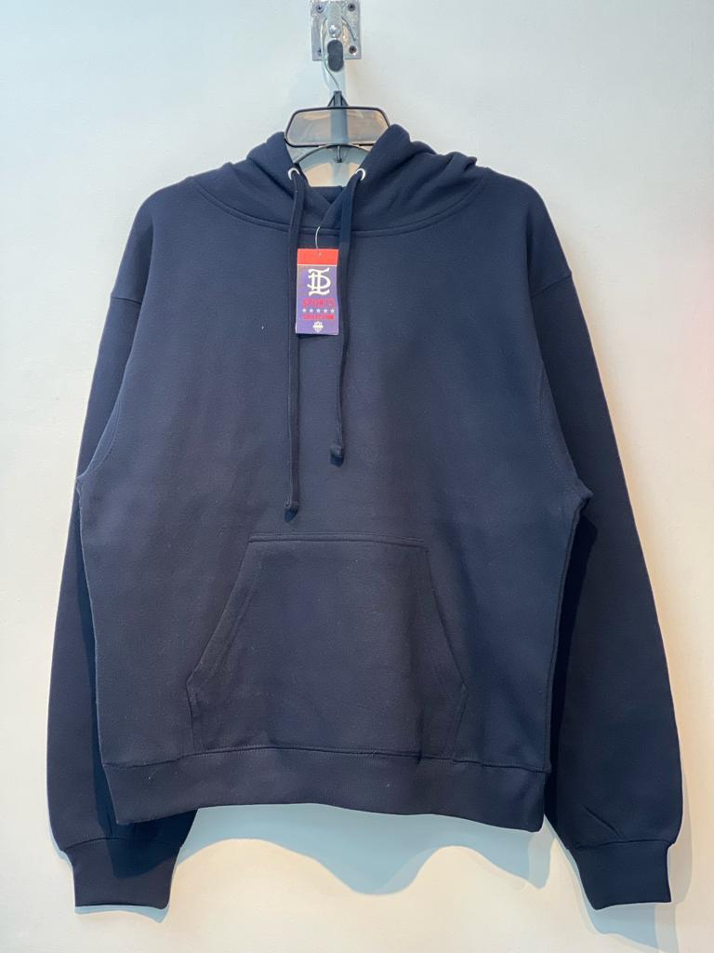
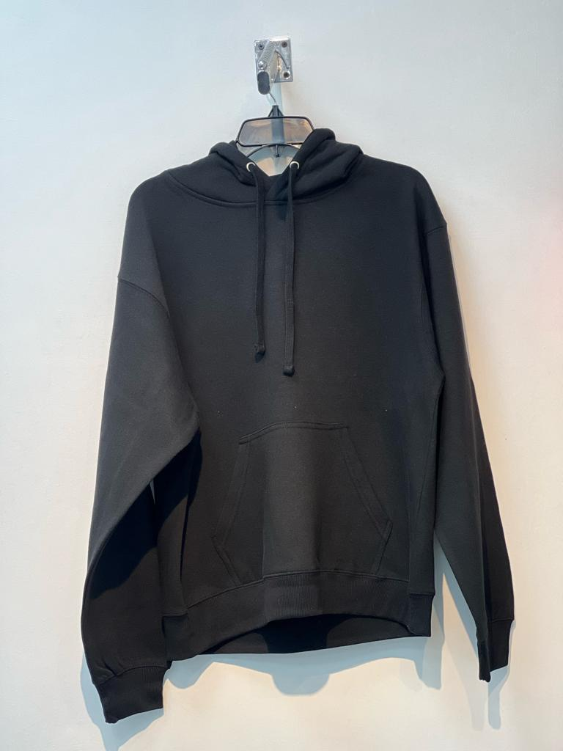
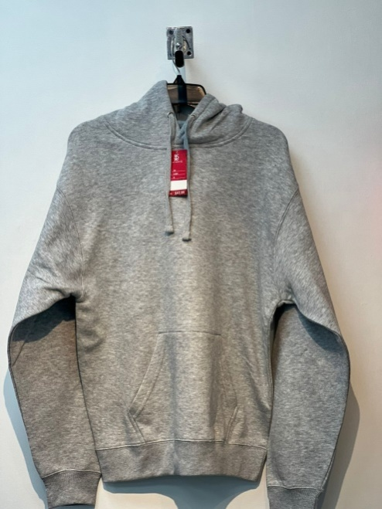
Net Weight Kgs. |  |  | 245
Gross Weight Kgs |  |  | 274
CBM |  |  | 60.171

Fabric Contents;
60%Cotton 40%Polyester Fleece

